5_Manage Account
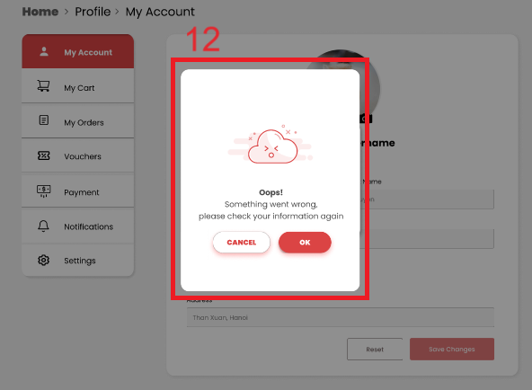
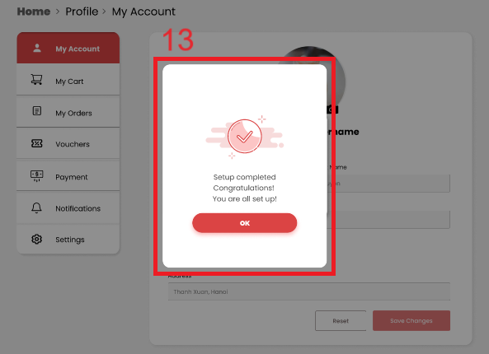
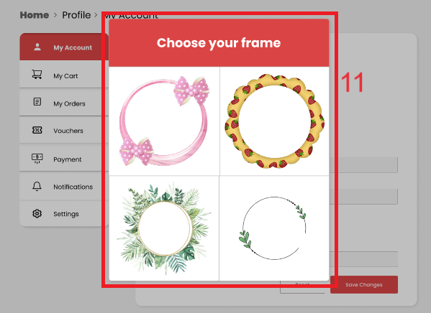
Project: |  | Version | 0.1 | Sprint | 2
Team: |  | Reviewed by
Document: | Principles | Approved by
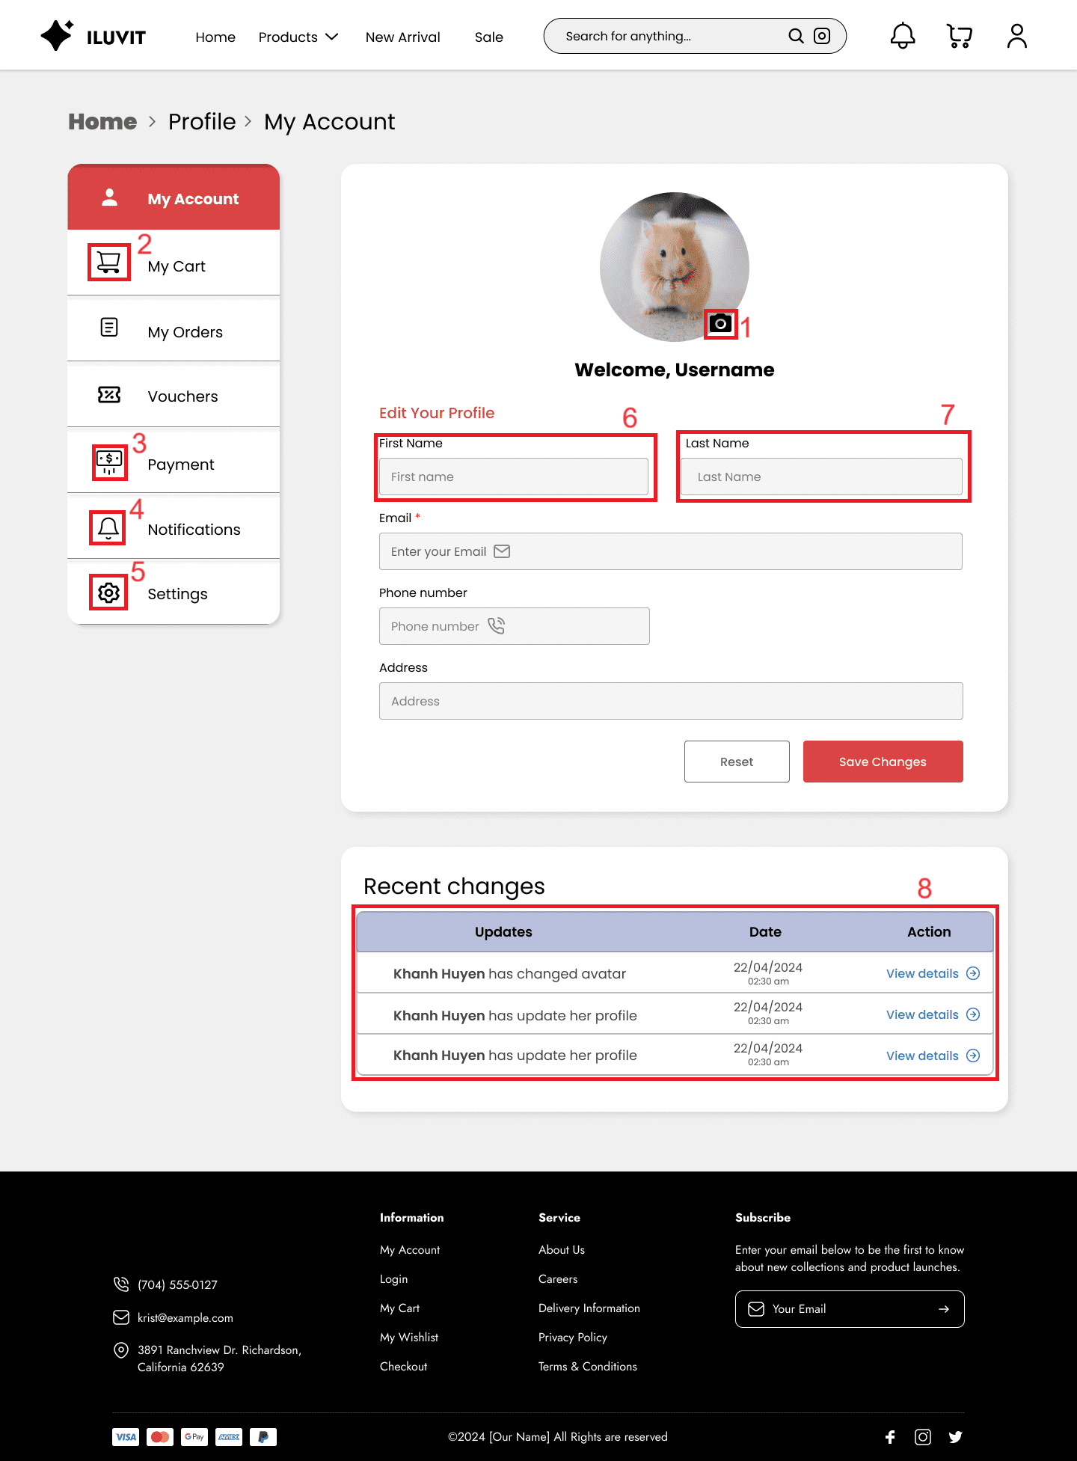
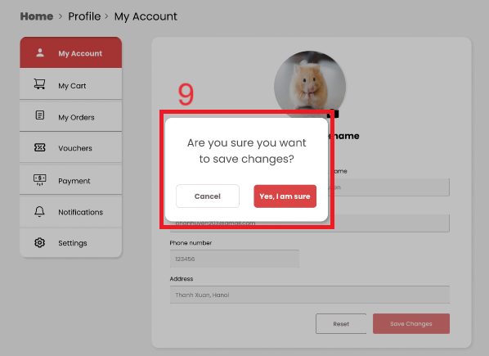
 |  |  |  |  |  | Principle | Number | Explanation
 |  |  |  |  |  | 1. Predictability | 1 | Users can easily guess the camera icon (1) in the avatar used to upload photos for the new avatar
 |  |  |  |  |  | 2. Familiarity | 2, 3, 4, 5 | Familiar icons are used such as: - Cart(2) for managing cart page - Money(3) for payment page - Bell(4) for notification page - Gear(5) for settings page
 |  |  |  |  |  | 3. Synthesisability | 8 | While editing the account, users can see their previous change history.
 |  |  |  |  |  | 4. Consistency | 2024-06-07 | The arrangement so that the field name is above and the field to be filled in below shows consistency in this page
 |  |  |  |  |  | 5. Dialog Initiative | 9 | The user confirmation panel that wants to save the editing information is displayed with two options
 |  |  |  |  |  | 6. Generalisability | 10 | To select an image to replace the avatar, users can use operations such as pasting an image or dragging and dropping an image file.
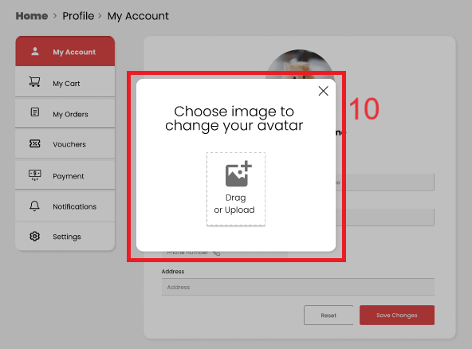
 |  |  |  |  |  | 7. Customisability | 11 | The website allows users to customize frames for their avatars
 |  |  |  |  |  | 8. Recoverability | 12 | When the user leaves the email blank and presses "Save", an error message will appear with a suggested solution for the user to choose from.
 |  |  |  |  |  | 9. Observability | 13 | The successfully saved message is displayed reflecting the system's completed saving status

6_View Shop Page
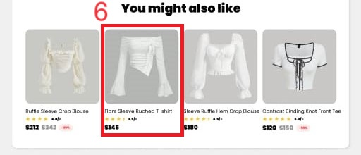
Project: |  | Version | 0.1 | Sprint | 2
Team: |  | Reviewed by
Document: | Principles | Approved by
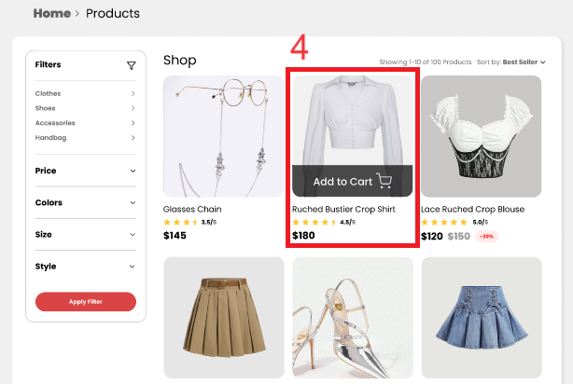
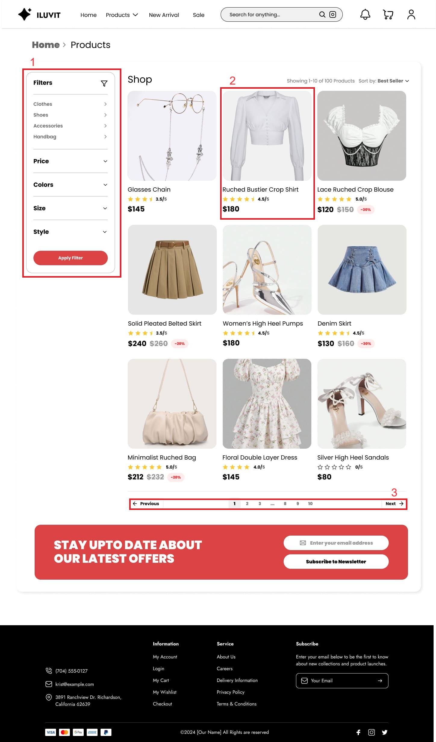
 |  |  |  |  |  | Principle | Number | Explanation
 |  |  |  |  |  | 1. Simplicity | 1 | The design has simplified the interface by categorizing and grouping options into categories (1). - When users click "Filter", sub-categories such as "Price", "Color", "Size", and "Style" will appear - Within each of these sub-categories they will find smaller sections: "Casual", "Formal", "Party", "Gym"
 |  |  |  |  |  | 2. Predictability | 3 | Users can guess (3) at the bottom of the page used to view more products
 |  |  |  |  |  | 3. Consistency | 2024-02-06 | Consistency is shown in the arrangement of products and the use of star symbols to express an objective assessment of product quality and price printed in bold below between the Shop page(2) and the recommendation section of the View Product Detail page(6)
 |  |  |  |  |  | 4. Customisability | 5 | The system allows users to choose how to arrange products in the order they are interested in such as best-seller, the latest, or sale item
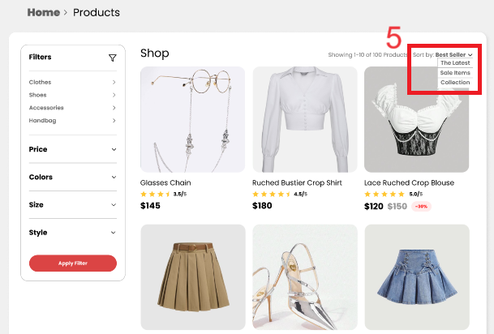
 |  |  |  |  |  | 5. Responsiveness | 4 | The "Add to Cart" button will appear as soon as the user hovers over the product.

12_Rate and Review
Project: |  | Version | 0.1 | Sprint | 2
Team: |  | Reviewed by
Document: | Principles | Approved by

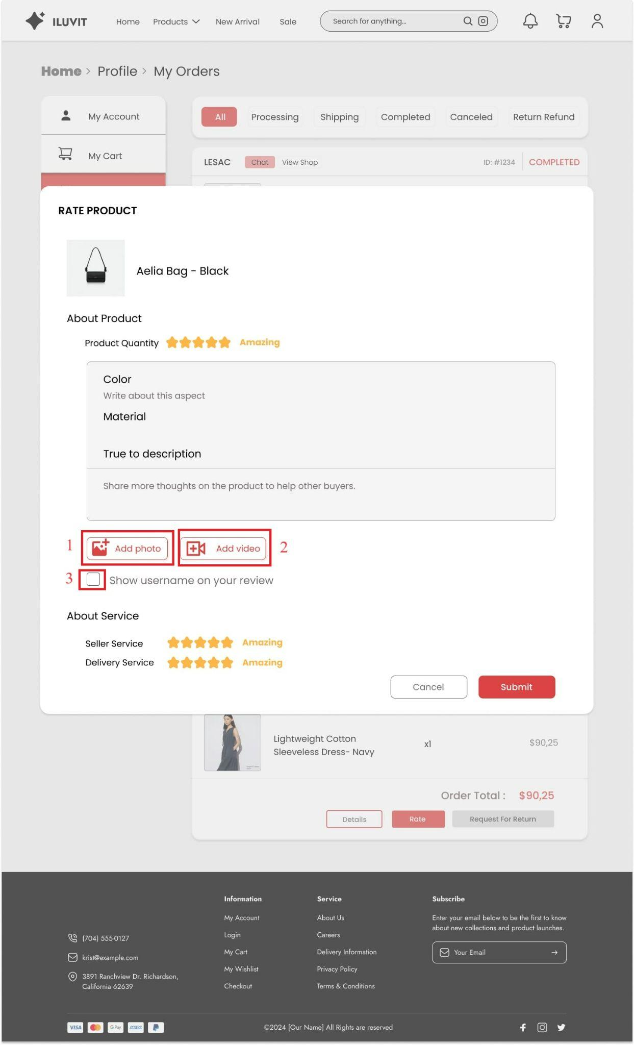
 |  |  |  |  |  |  | Principle | Number | Explanation
 |  |  |  |  |  |  | 1. Predictability | 2024-02-01 | Users can guess that the "Add photo"(1) function uploads photos and "Add video"(2) uploads videos easily through their icons and names.
 |  |  |  |  |  |  | 2. Responsiveness | 3 | When the user clicks on "Show username on your review" a check mark will appear

 |  |  |  |  |  | 3

17_Order Tracking
Project: |  | Version | 0.1 | Sprint | 2
Team: |  | Reviewed by
Document: | Principles | Approved by

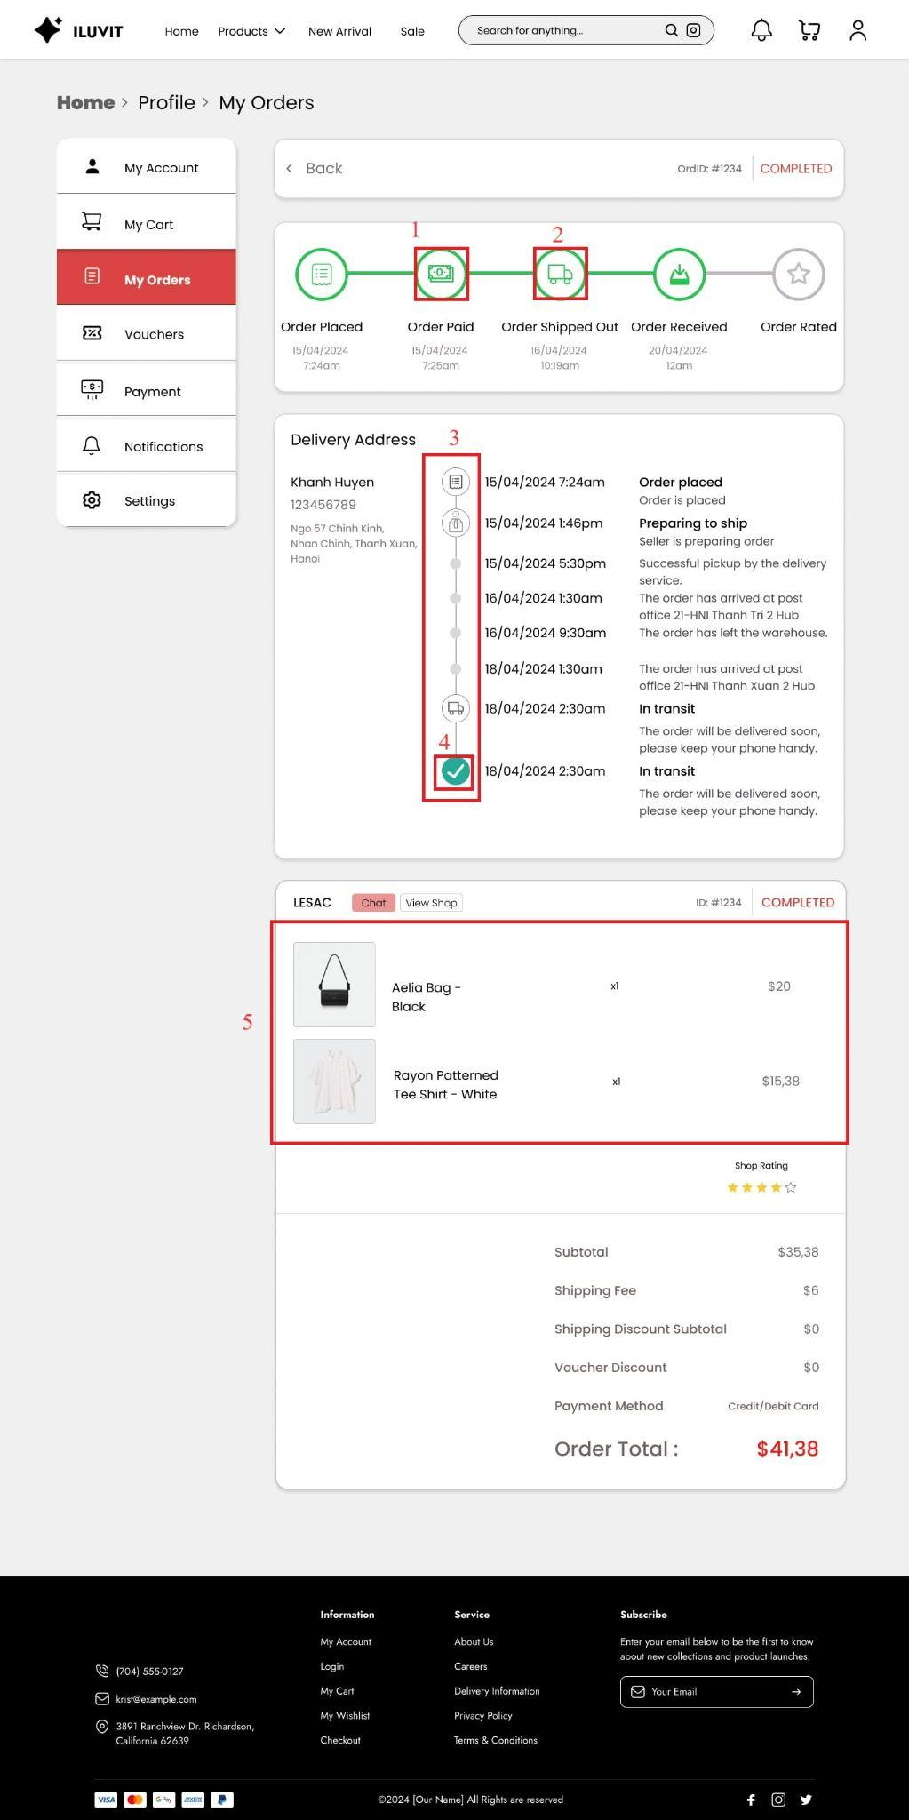
 |  |  |  |  |  | Principle | Number | Explanation
 |  |  |  |  |  | 1. Familiarity | 1.2 | We use familiar symbols like money for payments and trucks for transportation
 |  |  |  |  |  | 2. Observability | 3 | The system reflects and updates detailed progress of the order and notifies the user next to Delivery Address(3)
 |  |  |  |  |  | 3. Responsiveness | 4 | Users update the shipping status quickly through the color change from gray to green in the step chart above.
 |  |  |  |  |  | 4. Consistency | 5 | The arrangement of purchased products ( images, names, quantities, and selling prices) in an order is consistent with the My Orders page.

29_Manage Account Buyers
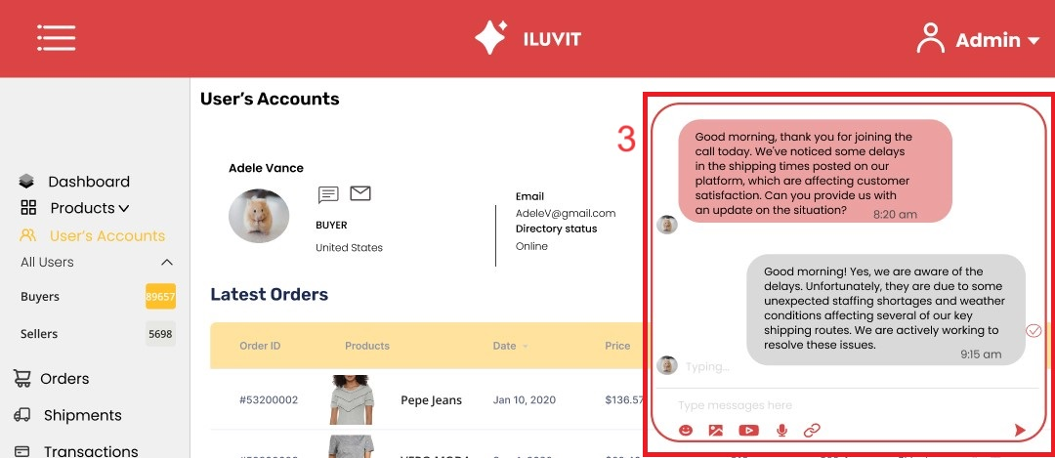
Project: |  | Version | 0.1 | Sprint | 2
Team: |  | Reviewed by
Document: | Principles | Approved by
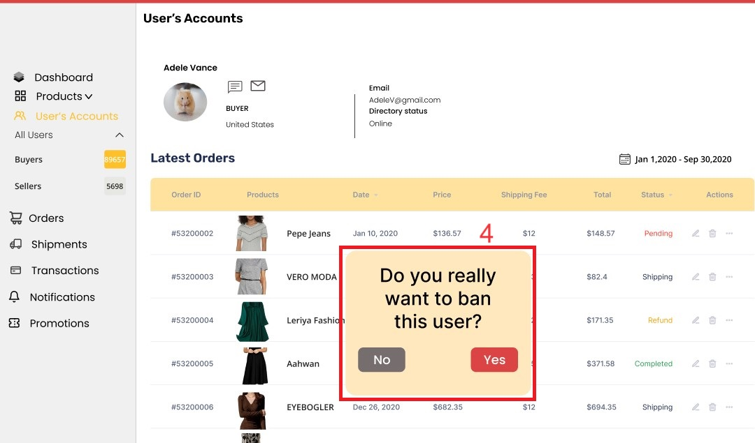
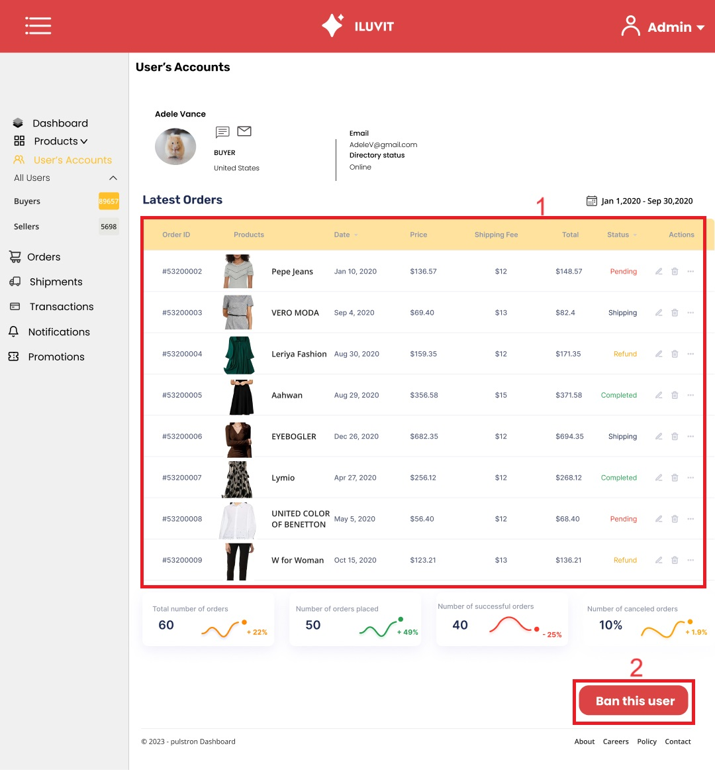
 |  |  |  |  |  | Principle | Number | Explanation
 |  |  |  |  |  | Predictability | 2 | The predictability is enhanced by employing the "Ban this user" button (1), as its clear and consistent function empowers administrators to confidently anticipate and execute actions related to user management.
 |  |  |  |  |  | Multi Threading | 3 | Administrators can efficiently multitask by viewing user profiles and their orders while simultaneously engaging in chat conversations (2) with them, thereby enhancing multitasking capabilities.
 |  |  |  |  |  | Dialog Initiative | 4 | When clicking "ban this user", a dialog box to confirm whether the admin really wants to ban this user will appear with two instructions yes and no.
 |  |  |  |  |  | Observability | 5 | After confirming this buyer ban, a message confirming the system has completed the ban process is displayed
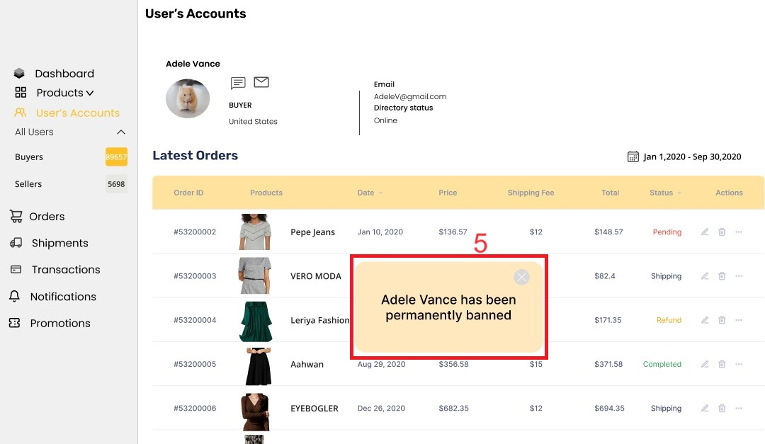
 |  |  |  |  |  | Consistency | 1 | The website maintains consistency by presenting order details in a uniform format. This format includes the order ID followed by an image of the product, its name, date, product price, shipping fee, and order status.

